Dashboard
Superstore Sales Dashboard
$2,297,200.86
37873
$286,397.02
Total Revenue
Total Unit Sold
Total Profit
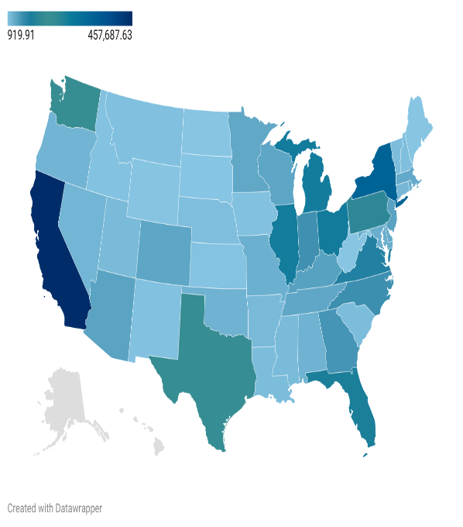
USA Sales by State
$2,297,200.86
37873
$286,397.02
 | Total
Central | $501,239.89
East | $678,781.24
South | $391,721.91
West | $725,457.82
Total Sales by region
 | Total
2014 | $49,543.97
2015 | $61,618.60
2016 | $81,795.17
2017 | $93,439.27
Profit by Year

 | Total Revenue | MoM Sales Change %
Jan | $14,236.89
Feb | $4,519.89 | -68.25%
Mar | $55,691.01 | 1132.13%
Apr | $28,295.34 | -49.19%
May | $23,648.29 | -16.42%
Jun | $34,595.13 | 46.29%
Jul | $33,946.39 | -1.88%
Aug | $27,909.47 | -17.78%
Sep | $81,777.35 | 193.01%
Oct | $31,453.39 | -61.54%
Nov | $78,628.72 | 149.98%
Dec | $69,545.62 | -11.55%
Jan | $18,174.08
Feb | $11,951.41 | -34.24%
Mar | $38,726.25 | 224.03%
Apr | $34,195.21 | -11.70%
May | $30,131.69 | -11.88%
Jun | $24,797.29 | -17.70%
Jul | $28,765.32 | 16.00%
Aug | $36,898.33 | 28.27%
Sep | $64,595.92 | 75.06%
Oct | $31,404.92 | -51.38%
Nov | $75,972.56 | 141.91%
Dec | $74,919.52 | -1.39%
Jan | $18,542.49
Feb | $22,978.82 | 23.93%
Mar | $51,715.88 | 125.06%
Apr | $38,750.04 | -25.07%
May | $56,987.73 | 47.06%
Jun | $40,344.53 | -29.20%
Jul | $39,261.96 | -2.68%
Aug | $31,115.37 | -20.75%
Sep | $73,410.02 | 135.93%
Oct | $59,687.75 | -18.69%
Nov | $79,411.97 | 33.05%
Dec | $96,999.04 | 22.15%
Jan | $43,971.37
Feb | $20,301.13 | -53.83%
Mar | $58,872.35 | 190.00%
Apr | $36,521.54 | -37.96%
May | $44,261.11 | 21.19%
Jun | $52,981.73 | 19.70%
Jul | $45,264.42 | -14.57%
Aug | $63,120.89 | 39.45%
Sep | $87,866.65 | 39.20%
Oct | $77,776.92 | -11.48%
Nov | $118,447.83 | 52.29%
Dec | $83,829.32 | -29.23%
Monthly Sales Trend & MoM

 | Total
Furniture | $741,999.80
Office Supplies | $719,047.03
Technology | $836,154.03
Total Revenue by Category
 | Total Revenue | YoY Sales Change %
2014 | $484,247.50
2015 | $470,532.51 | -2.83%
2016 | $609,205.60 | 29.47%
2017 | $733,215.26 | 20.36%
Yearly Sales & YoY %
 | Total
Furniture | 8028
Office Supplies | 22906
Technology | 6939
Units Sold by Category

$2,297,200.86
37873
#REF!

